Cover & Content
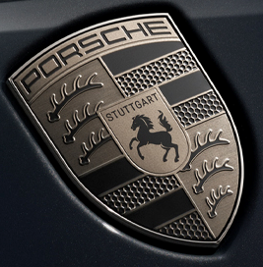
FACT SHEET Q4 2023

Dr. Ing. h.c. F. Porsche Aktiengesellschaft

Contents

01
PAG Group - Condensed Income Statement (Group EBIT)

02
Automotive - Net cash flow and net liquidity

03
PAG Group - Vehicle Sales and deliveries by region

04
PAG Group - Vehicle Sales and deliveries by model

Our working capital is subject to month to month fluctuations due to, among other things, production and sales volumes, shipping schedules and logistic times, and the timing of capital expenditures. In particular, our inventory levels generally increase with our growth in deliveries in the periods leading up to the launch of new models and at the end of the second quarter when our inventory levels are generally higher to support the summer plant shutdown.
Porsche is currently investing in both ICE and BEV with the majority of investments moving into BEV. However, as the electrification strategy further materializes, Porsche anticipates shifting its investments further towards BEV, reducing the necessity for parallel investments in ICE and BEV.

01 - Group EBIT
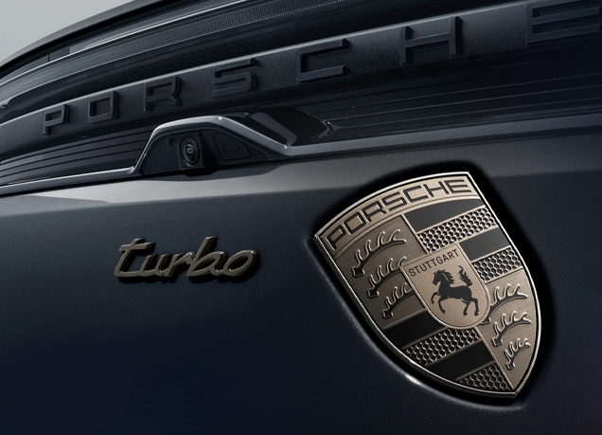
PAG Group - Condensed Income Statement (Group EBIT)

million € | Q1 - Q4 2023 | % | Q1 - Q3 2023 | % | Q1 - Q2 2023 | % | Q1 2023 | % | Q1-Q4 2022* | % | Q1-Q3 2022* | % | Q1-Q2 2022* | % | Q1 2022 | % | Q1-Q4 2021 | % | Q1-Q3 2021 | % | Q1-Q2 2021 | %
Sales revenue | 40,530 | 100.0 | 30,132 | 100.0 | 20,431 | 100.0 | 10,097 | 100.0 | 37,637 | 100.0 | 26,750 | 100.0 | 17,922 | 100.0 | 8,043 | 100.0 | 33,138 | 100.0 | 23,115 | 100.0 | 16,525 | 100.0
Cost of sales | -28,924 | -71.4 | -21,543 | -71.5 | -14,522 | -71.1 | -7,280 | -72.1 | -27,089 | -72.0 | -19,159 | -71.6 | -12,868 | -71.8 | -5,856 | -72.8 | -24,281 | -73.3 | -17,037 | -73.7 | -12,036 | -72.8
Gross profit | 11,606 | 28.6 | 8,589 | 28.5 | 5,909 | 28.9 | 2,817 | 27.9 | 10,549 | 28.0 | 7,591 | 28.4 | 5,054 | 28.2 | 2,187 | 27.2 | 8,857 | 26.7 | 6,078 | 26.3 | 4,489 | 27.2
Distribution expenses | -2,869 | -7.1 | -2,010 | -6.7 | -1,293 | -6.3 | -521 | -5.2 | -2,353 | -6.3 | -1,503 | -5.6 | -956 | -5.3 | -425 | -5.3 | -2,111 | -6.4 | -1,451 | -6.3 | -957 | -5.8
Administrative expenses | -1,787 | -4.4 | -1,379 | -4.6 | -875 | -4.3 | -509 | -5.0 | -1,655 | -4.4 | -1,178 | -4.4 | -766 | -4.3 | -384 | -4.8 | -1,426 | -4.3 | -1,047 | -4.5 | -722 | -4.4
Net other operating result | 335 | 0.8 | 301 | 1.0 | 111 | 0.5 | 53 | 0.5 | 232 | 0.6 | 140 | 0.5 | 149 | 0.8 | 89 | 1.1 | -6 | 0.0 | 10 | 0.0 | -18 | -0.1
Operating profit | 7,284 | 18.0 | 5,501 | 18.3 | 3,852 | 18.9 | 1,840 | 18.2 | 6,772 | 18.0 | 5,049 | 18.9 | 3,480 | 19.4 | 1,467 | 18.2 | 5,314 | 16.0 | 3,590 | 15.5 | 2,792 | 16.9

Basic/diluted earnings per ordinary share in € | 5.66 |  | 4.32 |  | 3.03 |  | 1.54 |  | 5.44 |  | 4.05 |  | 2.74 |  |  |  | 4.42 |  | 2.95 |  | 2.31
Basic/diluted earnings per preferred share in € | 5.67 |  | 4.33 |  | 3.04 |  | 1.55 |  | 5.45 |  | 4.06 |  | 2.75 |  |  |  | 4.43 |  | 2.96 |  | 2.32

*) Prior-year figures adjusted (First-time application IFRS 17)

02 - Automotive CF
Automotive - Net cash flow and net liquidity

million € | Q1 - Q4 2023 | Q1 - Q3 2023 | Q1 - Q2 2023 | Q1 2023 | Q1-Q4 2022* | Q1-Q3 2022* | Q1-Q2 2022* | Q1 2022 | Q1-Q4 2021 | Q1-Q3 2021 | Q1-Q2 2021
Cash flows from operating activities | 8,256 | 6,435 | 4,392 | 2,325 | 7,855 | 5,747 | 4,182 | 1,485 | 7,010 | 4,964 | 4,064
Investing activities of current operations | -4,282 | -3,049 | -2,175 | -897 | -3,989 | -2,476 | -1,793 | -707 | -3,335 | -2,083 | -1,463
Automotive net cash flow | 3,973 | 3,386 | 2,217 | 1,428 | 3,866 | 3,272 | 2,389 | 778 | 3,676 | 2,881 | 2,601
Automotive net liquidity | 7,215 | 6,627 | 6,432 | 5,742 | 8,282 | 7,749 | 5,597 | 4,093 | 4,970 | 4,042 | 3,890

*) Prior-year figures adjusted (First-time application IFRS 17)

03 - Sales_deliveries by Region
PAG Group - Vehicle Sales and Deliveries¹ by Region

Units | Q1-Q4 2023 | Q1-Q3 2023 | Q1-Q2 2023 | Q1 2023 | Q1-Q4 2022 | Q1-Q3 2022 | Q1-Q2 2022 | Q1 2022 | Q1-Q4 2021 | Q1-Q3 2021 | Q1-Q2 2021
Vehicle sales | 333,605 | 250,192 | 170,802 | 84,737 | 313,721 | 220,586 | 148,568 | 65,601 | 297,289 | 209,271 | 151,700

Deliveries to customers | 320,221 | 242,722 | 167,354 | 80,767 | 309,884 | 221,512 | 145,860 | 68,426 | 301,915 | 217,198 | 153,656
Germany | 32,430 | 24,814 | 17,118 | 8,247 | 29,512 | 20,850 | 13,785 | 6,925 | 28,565 | 19,099 | 13,094
North America | 86,059 | 64,487 | 41,937 | 19,651 | 79,260 | 56,357 | 37,605 | 15,167 | 79,166 | 58,616 | 41,034
China | 79,283 | 60,748 | 43,832 | 21,365 | 93,286 | 68,766 | 40,681 | 17,685 | 95,671 | 69,789 | 48,654
Europe (excluding Germany) | 70,229 | 51,742 | 36,574 | 18,420 | 62,685 | 42,204 | 29,833 | 16,186 | 58,576 | 38,030 | 27,929
Overseas and Emerging Markets | 52,220 | 40,931 | 27,893 | 13,084 | 45,141 | 33,335 | 23,956 | 12,463 | 39,937 | 31,664 | 22,945
1) The performance indicator "deliveries" reflects the number of vehicles handed over to end customers. This may take place via group companbies or independent importers and dealers. In the Porsche AG group, this differs from unit sales as a relevant driver of sales revenue. Unit sales in the Porsche AG Group are designated as those sales of new and group used vehicles of the Porsche brand, which have left the automotive segment for the first time, provided there is no legal repurchase obligation by a company in the automotive segment.

04 - Sales_deliveries by Model
PAG Group - Vehicle Sales and Deliveries by Model

Units | Q1-Q4 2023 | Q1-Q3 2023 | Q1-Q2 2023 | Q1 2023 | Q1-Q4 2022 | Q1-Q3 2022 | Q1-Q2 2022 | Q1 2022 | Q1-Q4 2021 | Q1-Q3 2021 | Q1-Q2 2021
Vehicle sales | 333,605 | 250,192 | 170,802 | 84,737 | 313,721 | 220,586 | 148,568 | 65,601 | 297,289 | 209,271 | 151,700

Deliveries to customers | 320,221 | 242,722 | 167,354 | 80,767 | 309,884 | 221,512 | 145,860 | 68,426 | 301,915 | 217,198 | 153,656
911 | 50,146 | 38,789 | 26,124 | 11,063 | 40,410 | 30,611 | 21,616 | 9,327 | 38,464 | 27,972 | 20,611
718 | 20,518 | 16,458 | 11,035 | 4,806 | 18,203 | 14,003 | 9,777 | 4,536 | 20,502 | 15,916 | 11,922
Cayenne | 87,553 | 64,457 | 46,884 | 23,387 | 95,604 | 66,769 | 41,947 | 19,029 | 83,071 | 62,451 | 44,050
Panamera | 34,020 | 26,779 | 17,565 | 8,479 | 34,142 | 25,452 | 15,604 | 7,735 | 30,220 | 20,275 | 13,633
Macan | 87,355 | 68,354 | 47,755 | 23,880 | 86,724 | 59,604 | 38,039 | 18,329 | 88,362 | 61,944 | 43,618
Taycan | 40,629 | 27,885 | 17,991 | 9,152 | 34,801 | 25,073 | 18,877 | 9,470 | 41,296 | 28,640 | 19,822
1) The performance indicator "deliveries" reflects the number of vehicles handed over to end customers. This may take place via group companbies or independent importers and dealers. In the Porsche AG group, this differs from unit sales as a relevant driver of sales revenue. Unit sales in the Porsche AG Group are designated as those sales of new and group used vehicles of the Porsche brand, which have left the automotive segment for the first time, provided there is no legal repurchase obligation by a company in the automotive segment.

